Mobile_sign up
Testcase No | Assumptions | Testcase Criteria | Testcase Steps | Expected Result | Actual Result | Testcase Result
TC_001 | Mobile app is available for the user to test | Check if the controls are as per the user specifications | 1. Launch mobile app. 2. Check for the controls | The controls should be as per the user specification(Checking for the font, font style,colour, logo) | The controls are as per the user specification | PASS
TC_002 | Mobile app is available for the user to test | Check if the first name accepts only alphabets | 1. Launch mobile app. 2. Enter the values other than alphabets in the first name(numbers/special characters) | The user should be alerted to provide proper values in the first name | The user is alerted in case the value other than alphabets is added | PASS
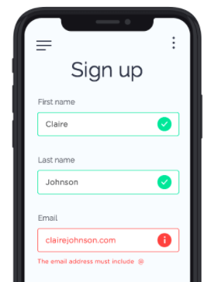
TC_003 | Mobile app is available for the user to test | Check if the last name accepts only alphabets | 1. Launch mobile app. 2. Enter the values other than alphabets in the last name (numbers /special characters) | The last name should not allow values other than the aphabets | The last does not allow values as other than alphabets | PASS
TC_004 | Mobile app is available for the user to test | Check if the email field accepts values without @ and . | 1. Launch mobile app . 2. Enter the email address without @ or . | The system should alert the user to provide proper email id | Works as expected | PASS
TC_005 | Mobile app is available for the user to test | Check if the alert massage for wrong email form is as per the user specifications | 1. Launch mobile app. 2. Enter invalid email adress. | The alert message should be as per the user specifications | The alert massage is as per the user specifications | PASS
TC_006 | Mobile app is available for the user to test | Check if on the click of 3 bar opens the correct screen as per the specification | 1. Launch mobile app. 2. Click on the 3 bar on the left | The system should open the appropriate screen on the click of the 3 bar |  | DEFFERRED
TC_007 | Mobile app is available for the user to test | Check if on the click of 3 dots opens the correct screen as per the user specification | 1. Launch the mobile app. 2.Click on the 3 dot menu | The system should open the appropriate screen on the click of the 3 dots |  | DEFFERRED

